Example Provider Profile
Sample Provider Profile with Recommendations for Change

A large Midwestern health system seeking to improve patient access and transform its approach to primary care found that successful implementation of key recommendations,
such as open access scheduling, would involve significant changes to provider schedule templates and centralized call center staff workflows.
In preparation for implementation, workgroups identified all new design impact points and conducted readiness assessments in each clinic focused on role and template changes.
Working with the site-based leadership team, a gap analysis was conducted and a profile for each provider was created that detailed the specific changes required to achieve the new standards.
See related article: The Art of Execution: Identifying and Mitigating Risks in Healthcare Provider Organizations

Provider Background: |  |  | Template Background:
Speciality | Family Med |  | Day | Hours | Max Slots
Contact Hrs / Wk | 32 |  | Monday | 8 | 32
Visit Duration | 20 / 40 |  | Tuesday | 8 | 32
Days / Wk | 4 |  | Wednesday | 4 | 16
Wks / Yr | 46 |  | Thursday | 8 | 32
 |  |  | Friday | 4 | 16
 |  |  | Total Weekly | 32 | 128

Recommended Blocks per Week: Recommended blocks per week were calculated based on historical patients volumes for this provider by visit type, size of provider panel and system access standards.
Type of Block | Total Slots | Release Time | Notes
Urgent Blocks | 20 1 block = 1 slot (20 min appt) | 1 day before visit | Schedules can only use the slots once they were released (used for same day / next day urgent care needs for current patient panel)
Inpatient / ED Follow-up Blocks | 6 1 block = 2 slots (40 min appt) | 5pm two nights before visit | Schedulers can use these slots before they were opened for patients discharged from hospital or with recent ED visit. Once the block was released, any patient could book into the slot.
New Patient Blocks | 8 1 block = 2 slots (40 min appt) | 5pm four nights before visit | 1 block = 2 slots (40 min duration); Schedulers can only use these slots before they were released for new patients. Once the block was released, any patient could use the slot.

Historic and New Template: New template reflects the following three changes-
1) Slots begin at 7am on selected days to accomodate patient demand for early appointments 2) Slots during the noon hour to accomodate patient demand for lunchtime appointments 3) Additional of new blocks
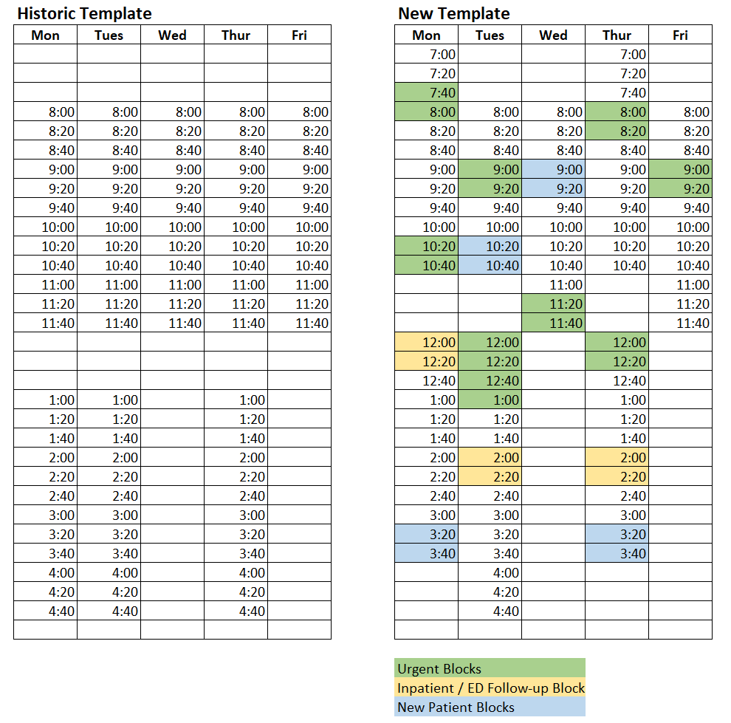

Source: Virtua and The Chartis Group. Used with permission

